General Info
Distribution of female and male employees
Monthly income statisctics
Distribution of female and male employees |  |  |  | Monthly income statisctics |  | central tendancy
Female | Male | Grand Total |  | Max | #REF!
588 | 882 | 1470 |  | Average | #REF!
 |  |  |  | Min | #REF!
 |  |  |  | Mode | 9150
 |  |  |  | STDV | 7117.7860441

employees %
Frequency of field travels
employees % |  |  |  | Frequency of field travels
 | Female | Male |  | Row Labels | Count of EmployeeCount
 | 41.13% | 58.87% |  | Non-Travel | 150
 |  |  |  | Travel_Frequently | 277
 |  |  |  | Travel_Rarely | 1043
Average of MonthlyIncome |  |  |  | Grand Total | 1470
 | Female | Male | Grand Total
 | 6686.5663265 | 6380.5079365 | 6502.9312925

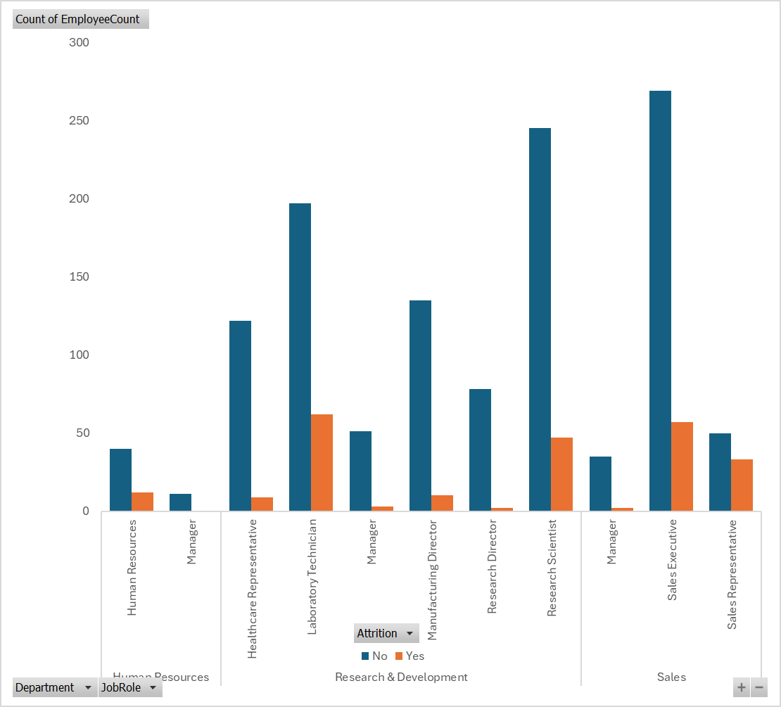
Majority of employees are within the mid of thirtees |  |  |  | Count of EmployeeCount
 |  |  |  |  | No | Yes | Grand Total
 |  |  |  | Human Resources | 51 | 12 | 63
 |  |  |  | Human Resources | 40 | 12 | 52
 |  |  |  | Manager | 11 |  | 11
 |  |  |  | Research & Development | 828 | 133 | 961
 |  |  |  | Healthcare Representative | 122 | 9 | 131
 |  |  |  | Laboratory Technician | 197 | 62 | 259
 |  |  |  | Manager | 51 | 3 | 54
 |  |  |  | Manufacturing Director | 135 | 10 | 145
 |  |  |  | Research Director | 78 | 2 | 80
 |  |  |  | Research Scientist | 245 | 47 | 292
Healthcare Representative | 7528.7633588 |  |  | Sales | 354 | 92 | 446
Average salaris for the employees
Human Resources | 4235.75 |  |  | Manager | 35 | 2 | 37
Laboratory Technician | 3237.1698842 |  |  | Sales Executive | 269 | 57 | 326
Manager | 17181.676471 |  |  | Sales Representative | 50 | 33 | 83
Manufacturing Director | 7295.137931 |  |  | Grand Total | 1233 | 237 | 1470
Research Director | 16033.55
Research Scientist | 3239.9726027 |  |  | Employees job role
Employees job role
 | Human Resources | Life Sciences | Marketing | Medical | Other | Technical Degree
Human Resources | 27 | 16 |  | 13 | 3 | 4
Research & Development |  | 440 |  | 363 | 64 | 94
Sales |  | 150 | 159 | 88 | 15 | 34
Sales Executive | 6924.2791411 |  |  |  | Human Resources | Research & Development | Sales
Sales Representative | 2626 |  |  | Human Resources | 27
 |  |  |  | Life Sciences | 16 | 440 | 150
 |  |  |  | Marketing |  |  | 159
 |  |  |  | Medical | 13 | 363 | 88
 |  |  |  | Other | 3 | 64 | 15
 |  |  |  | Technical Degree | 4 | 94 | 34

 | 0

Attrition Factors
Attrition percentage
 |  |  |  | Count of Attrition
Attrition percentage |  |  |  |  | No | Yes
 | No | Yes |  | Healthcare Representative | 8% | 1%
 | 1233 | 237 |  | Human Resources | 3% | 1%
 | 84% | 16% |  | Laboratory Technician | 13% | 4%
 |  |  |  | Manager | 7% | 0%
Current # of employees |  |  | 1233 | Manufacturing Director | 9% | 1%
# of quited employees |  |  | 237 | Research Director | 5% | 0%
 |  |  |  | Research Scientist | 17% | 3%
 |  |  |  | Sales Executive | 18% | 4%
 |  |  |  | Sales Representative | 3% | 2%
Attrition by gender
 |  |  |  | Attrition by over time
 |  |  |  | No | 110 | 46%
Attrition by gender |  |  |  | Yes | 127 | 54%
Attrition | Female | Male | Grand Total | Grand Total | 237
No | 501 | 732 | 1233
Yes | 87 | 150 | 237

Attrition by the marital status
 |  | Yes
Divorced |  | 33
Married |  | 84
Single |  | 120
Attrition by the marital status
Attrition |  | Yes |  | Healthcare Representative | 9 | 4%
Divorced |  | 33 | 14% | Human Resources | 12 | 5%
Married |  | 84 | 35% | Laboratory Technician | 62 | 26%
Single |  | 120 | 51% | Manager | 5 | 2%
 |  |  |  | Manufacturing Director | 10 | 4%
 |  |  |  | Research Director | 2 | 1%
 |  |  |  | Research Scientist | 47 | 20%
 |  |  |  | Sales Executive | 57 | 24%
Attrition by bussiness travel
 | No | Yes
Non-Travel |  | 12
Travel_Frequently |  | 69
Travel_Rarely |  | 156
 |  |  |  | Sales Representative | 33 | 14%
Attrition by bussiness travel
 | No | Yes
Non-Travel |  | 12
Travel_Frequently |  | 69
Travel_Rarely |  | 156 |  |  | Count of Attrition
 |  |  |  | Dissatisfied | 43 | 0.194092827
 |  |  |  | Satisfied | 62 | 0.30801687764
 |  |  |  | Very Dissatisfied | 72 | 0.27848101266
 |  |  |  | Very Satisfied | 60 | 0.2194092827

Count of Attrition
Assistant | 60%
Senior Assistant | 22% |  |  | Begginer | 60.34%
Manager | 2% |  |  | JuniorLevel | 21.94%
Officer | 14% |  |  | MidLevel | 13.50%
Senior Officer | 2% |  |  | SeniorLevel | 2.11%
 |  |  |  | Advanced | 2.11%

Income regression
YearsWithCurrManager Line Fit Plot
 | MonthlyIncome | Predicted MonthlyIncome
5 | 5993 | 5735.8451151
7 | 5130 | 7203.9859426
0 | 2090 | 3945.7737151
0 | 2909 | 7546.0762078
2 | 3468 | 4619.3516765
6 | 3068 | 6140.3229883
0 | 2670 | 4406.2623474
0 | 2693 | 4406.2623474
8 | 9526 | 6585.9532124
7 | 5237 | 6303.2965801
3 | 2426 | 5590.4446785
8 | 4193 | 6598.3937423
3 | 2911 | 6003.5323205
2 | 2661 | 4539.2222541
3 | 2028 | 5222.5259985
8 | 9980 | 7514.7778493
5 | 3298 | 5828.4150675
0 | 2935 | 4406.2623474
7 | 15427 | 14225.289296
2 | 3944 | 4999.7108865
3 | 4011 | 5302.6554209
3 | 3407 | 5636.7296547
11 | 11994 | 7621.2012144
0 | 1232 | 3945.7737151
3 | 2960 | 5302.6554209
8 | 19094 | 8851.0747843
7 | 3919 | 7836.0579356
2 | 6825 | 7771.6060669
17 | 10248 | 11521.211218
1 | 18947 | 4776.8957744
0 | 2496 | 4359.9773713
3 | 6465 | 5302.6554209
8 | 2206 | 7370.436678
0 | 2086 | 4406.2623474
0 | 2293 | 5027.0098246
4 | 2645 | 5559.3149792
2 | 2683 | 4919.581464
2 | 2014 | 4619.3516765
0 | 3419 | 4359.9773713
3 | 5376 | 5716.8590771
0 | 1951 | 4406.2623474
0 | 2341 | 4406.2623474
1 | 2293 | 4248.7182496
7 | 8726 | 6697.2123341
7 | 4011 | 8238.9370759
8 | 19545 | 13323.837537
7 | 4568 | 7396.9732196
0 | 3022 | 4406.2623474
8 | 5772 | 6552.1087662
1 | 2269 | 4248.7182496
...
YearsSinceLastPromotion Line Fit Plot
 | MonthlyIncome | Predicted MonthlyIncome
0 | 5993 | 5735.8451151
1 | 5130 | 7203.9859426
0 | 2090 | 3945.7737151
3 | 2909 | 7546.0762078
2 | 3468 | 4619.3516765
3 | 3068 | 6140.3229883
0 | 2670 | 4406.2623474
0 | 2693 | 4406.2623474
1 | 9526 | 6585.9532124
7 | 5237 | 6303.2965801
0 | 2426 | 5590.4446785
0 | 4193 | 6598.3937423
4 | 2911 | 6003.5323205
1 | 2661 | 4539.2222541
0 | 2028 | 5222.5259985
8 | 9980 | 7514.7778493
0 | 3298 | 5828.4150675
0 | 2935 | 4406.2623474
3 | 15427 | 14225.289296
1 | 3944 | 4999.7108865
1 | 4011 | 5302.6554209
0 | 3407 | 5636.7296547
2 | 11994 | 7621.2012144
0 | 1232 | 3945.7737151
1 | 2960 | 5302.6554209
4 | 19094 | 8851.0747843
6 | 3919 | 7836.0579356
4 | 6825 | 7771.6060669
5 | 10248 | 11521.211218
2 | 18947 | 4776.8957744
0 | 2496 | 4359.9773713
1 | 6465 | 5302.6554209
1 | 2206 | 7370.436678
0 | 2086 | 4406.2623474
2 | 2293 | 5027.0098246
1 | 2645 | 5559.3149792
0 | 2683 | 4919.581464
2 | 2014 | 4619.3516765
0 | 3419 | 4359.9773713
1 | 5376 | 5716.8590771
0 | 1951 | 4406.2623474
0 | 2341 | 4406.2623474
0 | 2293 | 4248.7182496
1 | 8726 | 6697.2123341
3 | 4011 | 8238.9370759
15 | 19545 | 13323.837537
8 | 4568 | 7396.9732196
0 | 3022 | 4406.2623474
0 | 5772 | 6552.1087662
0 | 2269 | 4248.7182496
...
SUMMARY OUTPUT

Regression Statistics
Multiple R | 0.52254924473
R Square | 0.52254924473
Adjusted R Square | 0.27107288781
Standard Error | 4019.5230136
Observations | 1470

ANOVA
 | df | SS | MS | F | Significance F
Regression | 4 | 8890806936.3 | 2222701734.1 | 137.57266465 | 7.1109692136E-100
Residual | 1465 | 23669368102 | 16156565.257
Total | 1469 | 32560175038

 | Coefficients | Standard Error | t Stat | P-value | Lower 95% | Upper 95% | Lower 95.0% | Upper 95.0%
Intercept | 3945.7737151 | 169.86969087 | 23.228238627 | 7.1064901373E-102 | 3612.5599458 | 4278.9874844 | 3612.5599458 | 4278.9874844
YearsAtCompany | 460.48863234 | 31.982665748 | 14.398069128 | 4.653857922E-44 | 397.7519278 | 523.22533688 | 397.7519278 | 523.22533688
YearsInCurrentRole | -46.284976177 | 47.269606752 | -0.97916990129 | 0.32765770303 | -139.00830875 | 46.438356391 | -139.00830875 | 46.438356391
YearsAtCompany Line Fit Plot
 | MonthlyIncome | Predicted MonthlyIncome
6 | 5993 | 5735.8451151
10 | 5130 | 7203.9859426
0 | 2090 | 3945.7737151
8 | 2909 | 7546.0762078
2 | 3468 | 4619.3516765
7 | 3068 | 6140.3229883
1 | 2670 | 4406.2623474
1 | 2693 | 4406.2623474
9 | 9526 | 6585.9532124
7 | 5237 | 6303.2965801
5 | 2426 | 5590.4446785
9 | 4193 | 6598.3937423
5 | 2911 | 6003.5323205
2 | 2661 | 4539.2222541
4 | 2028 | 5222.5259985
10 | 9980 | 7514.7778493
6 | 3298 | 5828.4150675
1 | 2935 | 4406.2623474
25 | 15427 | 14225.289296
3 | 3944 | 4999.7108865
4 | 4011 | 5302.6554209
5 | 3407 | 5636.7296547
12 | 11994 | 7621.2012144
0 | 1232 | 3945.7737151
4 | 2960 | 5302.6554209
14 | 19094 | 8851.0747843
10 | 3919 | 7836.0579356
9 | 6825 | 7771.6060669
22 | 10248 | 11521.211218
2 | 18947 | 4776.8957744
1 | 2496 | 4359.9773713
4 | 6465 | 5302.6554209
10 | 2206 | 7370.436678
1 | 2086 | 4406.2623474
2 | 2293 | 5027.0098246
5 | 2645 | 5559.3149792
3 | 2683 | 4919.581464
2 | 2014 | 4619.3516765
1 | 3419 | 4359.9773713
5 | 5376 | 5716.8590771
1 | 1951 | 4406.2623474
1 | 2341 | 4406.2623474
1 | 2293 | 4248.7182496
9 | 8726 | 6697.2123341
12 | 4011 | 8238.9370759
22 | 19545 | 13323.837537
9 | 4568 | 7396.9732196
1 | 3022 | 4406.2623474
9 | 5772 | 6552.1087662
1 | 2269 | 4248.7182496
...
YearsInCurrentRole Line Fit Plot
 | MonthlyIncome | Predicted MonthlyIncome
4 | 5993 | 5735.8451151
7 | 5130 | 7203.9859426
0 | 2090 | 3945.7737151
7 | 2909 | 7546.0762078
2 | 3468 | 4619.3516765
7 | 3068 | 6140.3229883
0 | 2670 | 4406.2623474
0 | 2693 | 4406.2623474
7 | 9526 | 6585.9532124
7 | 5237 | 6303.2965801
4 | 2426 | 5590.4446785
5 | 4193 | 6598.3937423
2 | 2911 | 6003.5323205
2 | 2661 | 4539.2222541
2 | 2028 | 5222.5259985
9 | 9980 | 7514.7778493
2 | 3298 | 5828.4150675
0 | 2935 | 4406.2623474
8 | 15427 | 14225.289296
2 | 3944 | 4999.7108865
2 | 4011 | 5302.6554209
3 | 3407 | 5636.7296547
6 | 11994 | 7621.2012144
0 | 1232 | 3945.7737151
2 | 2960 | 5302.6554209
13 | 19094 | 8851.0747843
2 | 3919 | 7836.0579356
7 | 6825 | 7771.6060669
6 | 10248 | 11521.211218
2 | 18947 | 4776.8957744
1 | 2496 | 4359.9773713
2 | 6465 | 5302.6554209
0 | 2206 | 7370.436678
0 | 2086 | 4406.2623474
0 | 2293 | 5027.0098246
3 | 2645 | 5559.3149792
2 | 2683 | 4919.581464
2 | 2014 | 4619.3516765
1 | 3419 | 4359.9773713
3 | 5376 | 5716.8590771
0 | 1951 | 4406.2623474
0 | 2341 | 4406.2623474
0 | 2293 | 4248.7182496
8 | 8726 | 6697.2123341
8 | 4011 | 8238.9370759
15 | 19545 | 13323.837537
5 | 4568 | 7396.9732196
0 | 3022 | 4406.2623474
6 | 5772 | 6552.1087662
0 | 2269 | 4248.7182496
...
YearsSinceLastPromotion | 80.12942242 | 41.92298734 | 1.9113481053 | 0.056154813417 | -2.1060638561 | 162.3649087 | -2.1060638561 | 162.3649087
YearsWithCurrManager | -157.54409787 | 48.459493942 | -3.2510471128 | 0.0011759390771 | -252.60149482 | -62.486700912 | -252.60149482 | -62.486700912

RESIDUAL OUTPUT

Observation | Predicted MonthlyIncome | Residuals
1 | 5735.8451151 | 257.1548849
2 | 7203.9859426 | -2073.9859426
3 | 3945.7737151 | -1855.7737151
4 | 7546.0762078 | -4637.0762078
5 | 4619.3516765 | -1151.3516765
6 | 6140.3229883 | -3072.3229883
7 | 4406.2623474 | -1736.2623474
8 | 4406.2623474 | -1713.2623474
9 | 6585.9532124 | 2940.0467876
10 | 6303.2965801 | -1066.2965801
11 | 5590.4446785 | -3164.4446785
12 | 6598.3937423 | -2405.3937423
13 | 6003.5323205 | -3092.5323205
14 | 4539.2222541 | -1878.2222541
15 | 5222.5259985 | -3194.5259985
16 | 7514.7778493 | 2465.2221507
17 | 5828.4150675 | -2530.4150675
18 | 4406.2623474 | -1471.2623474
19 | 14225.289296 | 1201.7107037
20 | 4999.7108865 | -1055.7108865
21 | 5302.6554209 | -1291.6554209
22 | 5636.7296547 | -2229.7296547
23 | 7621.2012144 | 4372.7987856
24 | 3945.7737151 | -2713.7737151
25 | 5302.6554209 | -2342.6554209
26 | 8851.0747843 | 10242.925216
27 | 7836.0579356 | -3917.0579356
28 | 7771.6060669 | -946.60606686
29 | 11521.211218 | -1273.2112179
30 | 4776.8957744 | 14170.104226
31 | 4359.9773713 | -1863.9773713
32 | 5302.6554209 | 1162.3445791
33 | 7370.436678 | -5164.436678
34 | 4406.2623474 | -2320.2623474
35 | 5027.0098246 | -2734.0098246
36 | 5559.3149792 | -2914.3149792
37 | 4919.581464 | -2236.581464
38 | 4619.3516765 | -2605.3516765
39 | 4359.9773713 | -940.97737127
40 | 5716.8590771 | -340.85907709
41 | 4406.2623474 | -2455.2623474
42 | 4406.2623474 | -2065.2623474
43 | 4248.7182496 | -1955.7182496
44 | 6697.2123341 | 2028.7876659
45 | 8238.9370759 | -4227.9370759
46 | 13323.837537 | 6221.1624627
47 | 7396.9732196 | -2828.9732196
48 | 4406.2623474 | -1384.2623474
49 | 6552.1087662 | -780.10876616
50 | 4248.7182496 | -1979.7182496
51 | 4406.2623474 | 974.73765256
52 | 4619.3516765 | -1178.3516765
53 | 5256.3704448 | 197.62955525
54 | 5475.3547957 | 4408.6452043
55 | 4774.1810274 | -617.18102743
56 | 8955.6197387 | 4502.3802613
57 | 6539.6682362 | 2529.3317638
58 | 4619.3516765 | -605.35167654
59 | 5822.5200456 | 92.479954405
60 | 5834.9605755 | 158.03942447
61 | 7020.4447708 | -858.44477075
62 | 7715.073031 | -5309.073031
63 | 16021.441568 | 2718.5584318
64 | 12018.484452 | -4381.4844515
65 | 10827.291084 | -731.2910845
66 | 5933.1286811 | 8822.8713189
67 | 6004.6483347 | 494.35166535
68 | 4406.2623474 | 5317.7376526
69 | 4999.7108865 | -2805.7108865
70 | 4406.2623474 | -1018.2623474
71 | 5256.3704448 | 216.62955525
72 | 5432.9005806 | -2729.9005806
73 | 4440.1067937 | -1939.1067937
74 | 6947.623253 | -727.62325299
75 | 4406.2623474 | -1368.2623474
76 | 7506.9304771 | -3082.9304771
77 | 9151.3045718 | -4839.3045718
78 | 3945.7737151 | 9299.2262849
79 | 5840.5587287 | 7823.4412713
80 | 5380.0700964 | -359.07009637
81 | 8420.7684963 | -3294.7684963
82 | 5893.389213 | -3034.389213
83 | 4486.3917699 | 5752.6082301
84 | 8085.2237392 | -2756.2237392
85 | 5763.1440533 | -1438.1440533
86 | 6208.4774087 | 1051.5225913
87 | 3945.7737151 | -1623.7737151
88 | 5222.5259985 | -3147.5259985
89 | 8089.2403503 | -3937.2403503
90 | 6937.6006014 | 2681.3993986
91 | 13086.107268 | 416.89273188
92 | 8306.7946277 | -2865.7946277
93 | 7698.3190212 | -2489.3190212
94 | 8067.5395653 | 2605.4604347
95 | 7938.7072885 | -2928.7072885
96 | 5176.2410223 | 8372.7589777
97 | 4919.581464 | 79.418535966
98 | 5432.9005806 | -1211.9005806
99 | 19340.779989 | -5468.7799893
100 | 4999.7108865 | -2957.7108865
101 | 4919.581464 | -2846.581464
102 | 4406.2623474 | -1450.2623474
103 | 4486.3917699 | -1560.3917699
104 | 9296.7050084 | -4487.7050084
105 | 4406.2623474 | 756.73765256
106 | 5079.8403089 | 13764.159691
...

Sheet6
...
 | Total
Advanced | 2.11%
Begginer | 60.34%
JuniorLevel | 21.94%
MidLevel | 13.50%
SeniorLevel | 2.11%

